Taslak
FM-09-MK Connecting Rod Yatak Yuvası Ölçüm Formu / Connecting Rod Big And Bore Measuring Form
GEMİ ADI/ VESSEL NAME | {VesselName} |  | IMO NUMBER | {ImoNumber} | M/E MODEL | {M/EModel} | M/E SERIAL NUMBER | {M/ESerial} | RAPOR TARİHİ / REPORT DATE

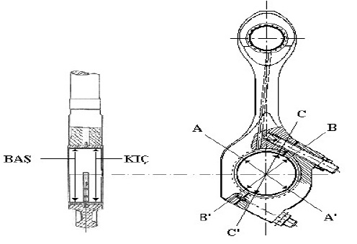

 |  |  |  |  |  |  |  | ATTENTION
 |  |  |  |  |  |  |  | Nominal Diameter of Crank Pin: |  | 180mm

 |  |  |  |  |  |  |  | Max Deflection Wear: |  | 0,1mm

NO | B-B’ | B-B’ | C-C’ | C-C’ | A-A’ | A-A’
 | FORE | AFT | FORE | AFT | FORE | AFT
1
2
3
4
5
6

2. Mühendis (Ad Soyad ve İmza) 2nd Engineer (Name and Signature): |  |  | {2/E NAME} |  |  | Başmühendis (Ad Soyad ve İmza) Chief Engineer (Name and Signature): |  |  | {C/E NAME}

